Sheet1
 | Chaleff & Rogers Architects

 | Project Name |  |  |  |  |  |  | Date: | DATE

Total Roof Area (Sq. Ft.) =
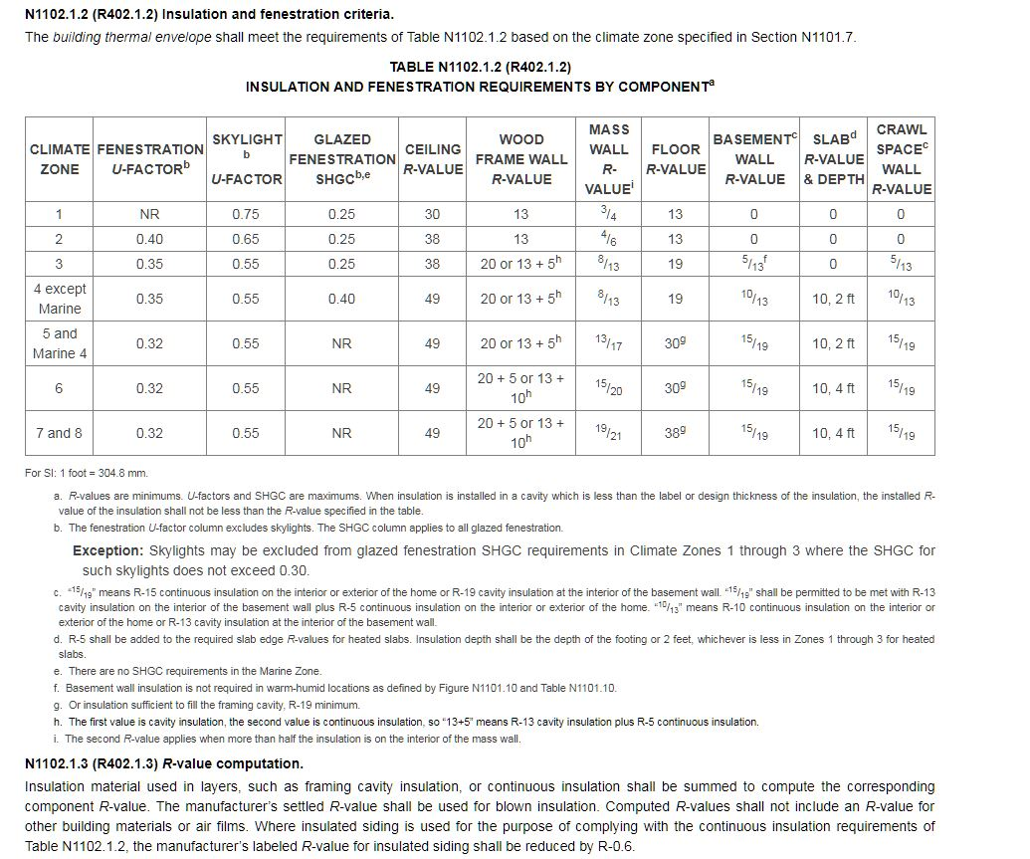
 | Section 405 - Simulated Performance Alternative |  |  |  |  | 1,320 |  |  | 1st Floor Sq. Ft. = | 988
 | NEW YORK STATE ENERGY CONSERVATION CODE COMPLIANCE |  |  |  |  |  |  |  | Other Floors Sq. Ft. = | 569.74
 |  |  |  |  |  |  |  |  | Total Sq. Ft. of Conditioned Space = | 1557.57
 | PERCENT GLASS FOR PROPOSED BUILDING
=
=
=
=
 |  | Total Sq. Ft. of Glass Area | 452.80 | 22.9 | % Glass |  | Building Heat Loss | 22,561 | 14.5 | BTUH
2
 |  | Total Sq. Ft. of Gross Wall | 1,978.00 |  |  |  | Gross Conditioned Sq. Ft. | 1,558 |  | Sq. Ft.

4
1
Sq. Ft.
 | Heat Loss Calcs. for Min. Code Compliant Building |  |  |  |  | Heat Loss Calculation for Proposed Building
 |  |  |  | 15% Glass = | 297
 | BUILDING COMPONENT | AREA | U | t | BTUH | BUILDING COMPONENT | AREA | U | t | BTUH | Rounded #'s for Proposed | Rounded #'s for Min. Code
 | SKYLIGHT (Max. 1% of Total Roof Area) | 13.20 | 0.550 | 70 | 508 | SKYLIGHT | 0.00 | 0.330 | 70 | 0 | 0.00 | 508.00
 | OPAQUE ROOF | 1,319.50 | 0.020 | 70 | 1,884 | OPAQUE ROOF "A" 12.25" SIP R=45.4 | 1,319.50 | 0.022 | 70 | 2,034 | 2,034.00 | 1,884.00
 |  |  |  |  | 0 | OPAQUE ROOF "B" | 0.00 | 0.025 | 70 | 0 | 0.00 | 0.00
 | WINDOWS/DOORS | 296.70 | 0.350 | 70 | 7,269 | WINDOWS / DOORS | 452.80 | 0.280 | 70 | 8,875 | 8,875.00 | 7,269.00
 | OPAQUE WALLS | 1,681.30 | 0.056 | 70 | 6,538 | OPAQUE WALLS "A" 4.5" SIPs R=16.5 | 1,525.20 | 0.061 | 70 | 6,471 | 6,471.00 | 6,538.00
 |  |  |  |  | 0 | OPAQUE WALLS "B" 6.5" SIPs R=23.3 | 0.00 | 0.043 | 70 | 0 | 0.00 | 0.00
 |  |  |  |  | 0 | OPAQUE WALLS "C" | 0.00 | 0.038 | 70 | 0 | 0.00 | 0.00
3
3
 | FLOOR | 1,014.75 | 0.047 | 70 | 3,339 | FLOOR "A" R=18 | 987.83 | 0.056 | 20 | 1,098 | 1,098.00 | 3,339.00
 |  |  |  |  | 0 | FLOOR "B" 4.5" SIP R=16.5 | 26.92 | 0.061 | 70 | 114 | 114.00 | 0.00
5
 | INFILTRATION @ 1 ACH = | VOLUME (CU. FT.) | ACH n | 70 | 7,938 | INFILTRATION = | VOLUME (CU. FT.) | ACH n | 70 | 3,969 | 3,969.00 | 7,938.00
 |  | 18,000 | 0.35 |  |  | ( Cu. Ft. / 60 ) * 1.08 * ACH | 18,000 | 0.175 |  |  | 0.00 | 0.00
 | SUBTOTAL (Building Heat Loss) |  |  |  | 27,476 | SUBTOTAL (Building Heat Loss) |  |  |  | 22,561 | 22,561 | 27,476.00
 | 12% PICKUP |  |  |  | 3,297 | 12% PICKUP |  |  |  | 2,707 | 2,707 | 3,297.00
 | TOTAL for HVAC Sizing |  |  |  | 30,773 | TOTAL for HVAC Sizing |  |  |  | 25,268 | 25,268 | 30,773.00
Building Component Heat Losses Code Minimum - 15% Max. Glass
 | 508
 | 1,884
 | 7,269
 | 6,538
 | 3,339
 | 7,938
Building Component Heat Losses Proposed Building

 | Min. Code Compliant Building | BTUH | Hrs. | Delta T | Deg. Days | Proposed Building | BTUH | Hrs. | Delta T | Deg. Days
 | Estimated Total Annual BTU's req'd | 27,476 | 24 | 70 | 5750 | Estimated Total Annual BTU's req'd | 22,561 | 24 | 70 | 5750
 |  |  |  |  |  | (based on the following variables):
 |  |  |  | Total annual BTU's | 54,166,344 |  |  |  | Total annual BTU's | 44,476,808

1
2
3
 | 15% GLASS IS THE MAXIMUM ALLOWABLE FOR 6000 DEGREE-DAY REGION (CODE MIN.). |  |  |  |  | Estimated Annual Heating Cost (based on the following variables):
 | INCLUDES OTHER FLOOR AREAS THAT ARE IN CONDITIONED SPACE. |  |  |  |  | 1 gal. propane produces BTU's | Number of gals needed annually | Boiler Efficiency | Price /gal. | Annual heating cost
 | FLOOR = BOTTOM CLOSURE OF THERMAL ENVELOPE. |  |  |  |  |  |  |  |  |  | 1 / Boiler efficiency
4
 | TABLE IS FOR MINIMUM CODE COMPLIANT BUILDING OF LESS THAN 5000 SQ. FT. |  |  |  |  | 91600 | 485.55 | 0.94 | $2.90 | $1,498 | 1.0638297872
5
 | NATURAL AIR CHANGES PER HOUR. WITH THE USE OF AN ASSUMED 50% EFFICIENT HRV (HEAT RECOVERY VENTILATOR). |  |  |  |  |  |  |  |  | This does NOT take into account any passive solar gains

 | NOTE TO USER: This spreadsheet has been created to assist in the designing of energy efficient buildings. Chaleff & Rogers, Architects, P.C. is NOT responsible or liable for any errors incurred by the use of this spreadsheet.
Chaleff & Rogers Architects CRA Energy Calcs Ver. 3.1 July 20, 2017
This work is licensed under the Creative Commons Attribution-ShareAlike 4.0 International License. To view a copy of this license, visit http://creativecommons.org/licenses/by-sa/4.0/ or send a letter to Creative Commons, PO Box 1866, Mountain View, CA 94042, USA.
 | NOTE TO USER: This spreadsheet has been created to assist in the designing of energy efficient buildings. Chaleff & Rogers, Architects, P.C. is NOT responsible or liable for any errors incurred by the use of this spreadsheet.

 |  |  |  |  |  |  |  |  |  |  | Compute natural infiltration by dividing ACH50 by 20 (approximate)

